Dashboard
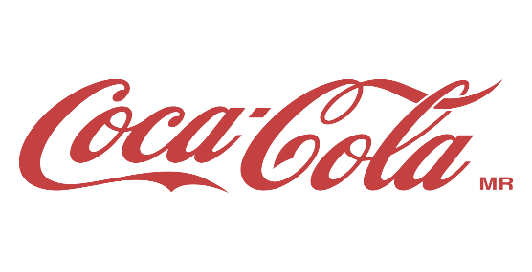
Coca-Cola USA Retailer Dashboard

Figures in USD

Total Sales |  |  | Units Sold |  | Average Price |  |  | Total Operating Profit

$12,016,665 |  |  |  | $24,788,610.00 |  | $0.45 |  |  | $4,722,496.77

Sales By Beverage Brands |  |  |  |  | Sales By Retailers
Brand | Sales2022 | sales 2023 |  | variance | Brand | Sales2022 | Sales2023 |  | variance
Coca-Cola | $499,102 | $2,268,975 |  | $1,769,873 | Amazon | $276,210 | $1,009,699 |  | $733,489
Dasani Water | $469,271 | $1,917,828 |  | $1,448,557 | BevCo | $466,788 | $2,327,607 |  | $1,860,819
Diet Coke | $423,759 | $1,633,959 |  | $1,210,201 | FizzyCo | $161,210 | $2,262,827 |  | $2,101,617
Fanta | $315,489 | $1,116,063 |  | $800,574 | Target | $9,250 | $1,341,995 |  | $1,332,745
Powerade | $349,534 | $1,302,529 |  | $952,995 | Walmart | $339,913 | $580,211 |  | $240,299
Sprite | $366,578 | $1,353,578 |  | $987,000 | West Soda | $1,170,362 | $2,070,594 |  | $900,233
Grand Total | $2,423,733 | $9,592,933 |  | $7,169,200 | Grand Total | $2,423,732 | $9,592,933 |  | $7,169,200

sales and profit margin by Quarter
 | Total
Sum of Total Sales | 692776.1
Average of Operating Margin | 0.40174683544
Sum of Total Sales | 644203.9
Average of Operating Margin | 0.4
Sum of Total Sales | 719170.4
Average of Operating Margin | 0.41026548673
Sum of Total Sales | 367582.1
Average of Operating Margin | 0.40243816254
Sum of Total Sales | 1877584.3
Average of Operating Margin | 0.4165704501
Sum of Total Sales | 2379424.8
Average of Operating Margin | 0.42755819477
Sum of Total Sales | 2805752.5
Average of Operating Margin | 0.43470170455
Sum of Total Sales | 2530170.9
Average of Operating Margin | 0.42483932854

